WorkingBOMSeniorDesignGroup518
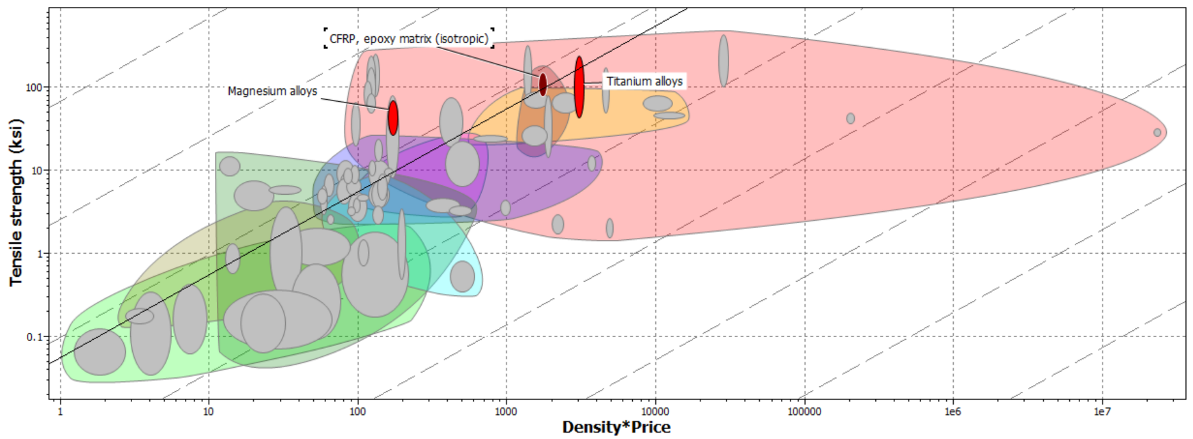
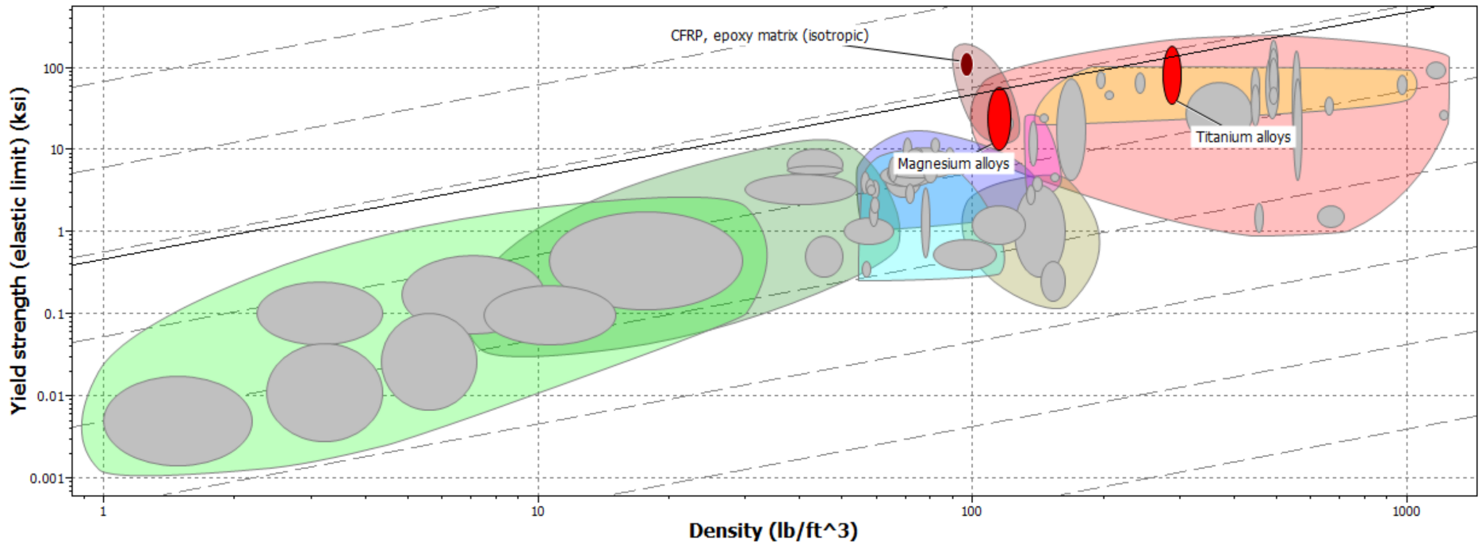
ITEM | Quantity | Price $ | Item Maturity | Source | Serial Number | Use | Project Maturity (1 or 0) | Link
VDR 3 Prototype |  |  |  |  |  |  |  |  | Key
Container | 1 |  |  | Walmart |  | Simulate the cleaning chamber |  |  |  | Part is Available and can be picked up right away
Water (gal) | 1 |  |  | Member |  | The cleaner fluid |  |  |  | Part is needed and is ordered
Sample Part | 1 |  |  | Walmart |  | Part to be cleaned |  |  |  | Part is needed and is not ordered yet
Sand or Clay |  |  |  | Member |  | Simulate the powder that needs cleaning |  |  |  | Part is needed and is not sourced and is not ordered yet
Mesh Basket | 1 |  |  | Member |  | To hold the part above the bottom so sonic waves can come and clean |  |  | Project Cost |  | 2825.39
Paper Screen/ Buttons |  |  |  | Member |  | To simulate the UI needed in the fished prototype |  |  | Project Maturity |  | 1 = Need Now, 0 = Need Later
Speaker | 1 |  |  | Member |  | Simulate the ultrasonic waves
Spring 2024 Senior Design Prototype
Arduino | 1 | Free |  | Senior Design Lab | N/A | Provided the UI, the functionality of the project | 1 | N/A
Buttons (Arduino) | 4 | Free |  | Senior Design Lab | N/A | Provide User Ease when operating | 1 | N/A
Wires(Arduino) | 1 | Free |  | Senior Design Lab | N/A | To connect everything together | 1 | N/A
Solvant (Distilled Water) (gal) | 5 | 6.3 |  | Walmart | N/A | The medium to carry the waves to clean the part | 1 | Parent's Choice Distilled Water, 1 Gallon - Walmart.com
Wave Maker | 1 | 16.99 |  | Amazon | B09VD6D899 | To provide additional fluid motion | 0 | Amazon.com: DOMICA Aquarium Wave Maker Power Head with Magnetic Mount Suction 800GPH, Fresh or Saltwater Tank Circulation Pump for Under 20 Gallon Fish Tank 3W : Pet Supplies
Vacuum Pump | 1 | 2305.66 |  | VWR_Core_Product | 14026-20 | To cause pressure difference to drain/fill container | 0 | | VWR International | VWR International | VWR
Caulk | 2 | 21.72 |  | Grainger | 70798-18032 | Watertight Sealant | 1 | DAP, Kwik Seal Tub & Tile, White, Acrylic Latex Adhesive Caulk - 4MY71|70798-18032 - Grainger
LED Screen | 1 | Free |  | Senior Design Lab | N/A | To show the progress/operate the machine | 1 | N/A
Vacuum tubing ID 1/4" OD 5/8" 10 ft piece | 1 | 135.09 |  | VWR_Core_Product | 62995-335 | To move the vacuum pressure around | 0 | https://us.vwr.com/store/catalog/static_catalog.jsp?catalog_number=62995-335
Fittings for Vacuum Pump | 6 | 36.66 |  | McMaster | 1075T49 | To seal the vacuum lines securly to the machine. 1/4" Vacuum line, ribbed fitting | 0 | https://www.mcmaster.com/1075T49/
Valves (Check Valve Ball) | 1 | 5.3 |  | VWR_Core_Product | A-3569-0001 | To contrict or allow flow for fluid | 0 | https://solutions.sciquest.com/apps/Router/ExternalSiteTransition?url=https%3A%2F%2Fus.vwr.com%2Fstore%2Fcatalog%2Fstatic_catalog.jsp%3Fcatalog_number%3DMFLX00003-UT&token=MTpBRVMyI0NESTgyeVc5cCsyVEthYngrT2RzQlp1bE0xRlAvdXRqUUE9PQ%3D%3D
Teflon Tape 1/2'' X 520'' | 1 | 19.6 |  | Fisher Scientific | NC1931643 | To ensure vacuum tight connection | 0 | Qc Supply LLC TEFLON TAPE - 1/2" X 520", Quantity: Each of 1 | Fisher Scientific
All Purpose Flour 5lb Bag | 1 | 2.43 |  | Walmart | N/A | Fake powder to clean off part | 1 | Great Value All-Purpose Flour, 5LB Bag - Walmart.com
Hinge | 2 | 3.28 |  | McMaster | 1603A3 | To be able to lift lid up | 1 | Surface-Mount Hinge with Holes, Brass, Nonremovable Pin, 1" x 3/8" Door Leaf | McMaster-Carr
Ultrasonic Sensor 40kHz | 10 | 46.13 |  | Digi-Key | CUSA-T60-150-2400-TH | Sensor to produce required frequency (40kHz) | 1 | https://www.digikey.com/en/products/detail/cui-devices/CUSA-T60-150-2400-TH/16579208?utm_adgroup=&utm_source=google&utm_medium=cpc&utm_campaign=PMax%20Supplier_Focus%20Supplier&utm_term=&utm_content=&utm_id=go_cmp-20243063242_adg-_ad-__dev-c_ext-_prd-16579208_sig-Cj0KCQiA67CrBhC1ARIsACKAa8S-MZ-p5w3MvFtVL8e49b9B2sh1sSoypt9S9wKD7HHZI-lM3l_QklEaAqDqEALw_wcB&gad_source=1&gclid=Cj0KCQiA67CrBhC1ARIsACKAa8S-MZ-p5w3MvFtVL8e49b9B2sh1sSoypt9S9wKD7HHZI-lM3l_QklEaAqDqEALw_wcB
Ultrasonic Transformer | 10 | 37.44 |  | Digi-Key | B78302A2403A003 | Transferm to the required frequency | 1 | https://www.digikey.com/en/products/detail/epcos---tdk-electronics/B78302A2403A003/16686250?utm_adgroup=&utm_source=google&utm_medium=cpc&utm_campaign=PMax%20Shopping_Product_Low%20ROAS%20Categories&utm_term=&utm_content=&utm_id=go_cmp-20243063506_adg-_ad-__dev-c_ext-_prd-16686250_sig-Cj0KCQiA67CrBhC1ARIsACKAa8RKXh5efblOZLGHTigBPDSKX4FyQE_pWy8dmfZYH94x_88he8r6puMaAtMzEALw_wcB&gad_source=1&gclid=Cj0KCQiA67CrBhC1ARIsACKAa8RKXh5efblOZLGHTigBPDSKX4FyQE_pWy8dmfZYH94x_88he8r6puMaAtMzEALw_wcB
Body Material (AL 6061) 4Ft Sheet 1/8'' Thickness | 1 | 82.05 |  | Grainger | 61P.125X12-48 | Main holding material for part and cleaning process | 1 | T6, 4 ft Overall Lg, Aluminum Sheet 6061 - 3DTC2|61P.125X12-48 - Grainger
Latch | 2 | 20.56 |  | McMaster | 4567A14 | How the lid is closing to secure water tight and pressure tight | 1 | https://www.mcmaster.com/4567A14/
Acrylic Sheet 0.708'' X 12'' X 12'' | 1 | 23.43 |  | Fastenal | 954484 | Material to be used for the lid | 1 | https://www.fastenal.com/product/details/0954486
Rubber Pad (10'' X 9.6'') | 1 | 40.59 |  | Fisher Scientific | 88861130 | The feet to stop vibrations carrying to the table | 1 | https://www.fishersci.com/itemdetail?catnum=88861130
LED Lights | 4 | Free |  | Mechatronics Room | N/A | Lights to symbolize the machine starting and stopping | 1 | N/A
Zip Ties 100 count | 1 | Free |  | Senior Design Lab/ Member | N/A | To organize cables | 1 | N/A
Gasket Maker | 4 | Free |  | Team Memeber | N/A | To keep preassure inside device | 1 | N/A
Buna-N Sheet 12'' X 12'' X 0.125'' | 1 | 22.16 |  | Grainger | BULK-RS-BHS40-24 | To create the pressure seal in lid | 1 | https://www.grainger.com/product/1DPZ6

Plastic Solenoid Valve | 2 | 13.9 |  | Digi-Key | 1528-2003-ND | PLASTIC WATER SOLENOID VALVE - 1 |  | 997 Adafruit Industries LLC | Industrial Automation and Controls | DigiKey
Ultrasonic Sensor 40kHz | 10 | 46.13 |  | Digi-Key | CUSA-T60-150-2400-TH | Sensor to produce required frequency (40kHz) | 1
Ultrasonic Transformer | 10 | 37.44 |  | Digi-Key | B78302A2403A003 | Transferm to the required frequency | 1
Make sure to order just to test this time |  | 97.47

a |  |  |  |  |  |  |  | https://www.mcmaster.com/4448K35/
m6x1 nuts for the hoze fittings | 1 pack of 100 nuts |  |  | McMaster | 90592A016 |  |  | https://www.mcmaster.com/products/nuts/thread-pitch~1-mm/thread-size~m6/metric-medium-strength-steel-hex-nuts-class-8/

 |  |  |  | 25.21

Body Material Selection Plots |  |  |  | 233.6

